Instructions
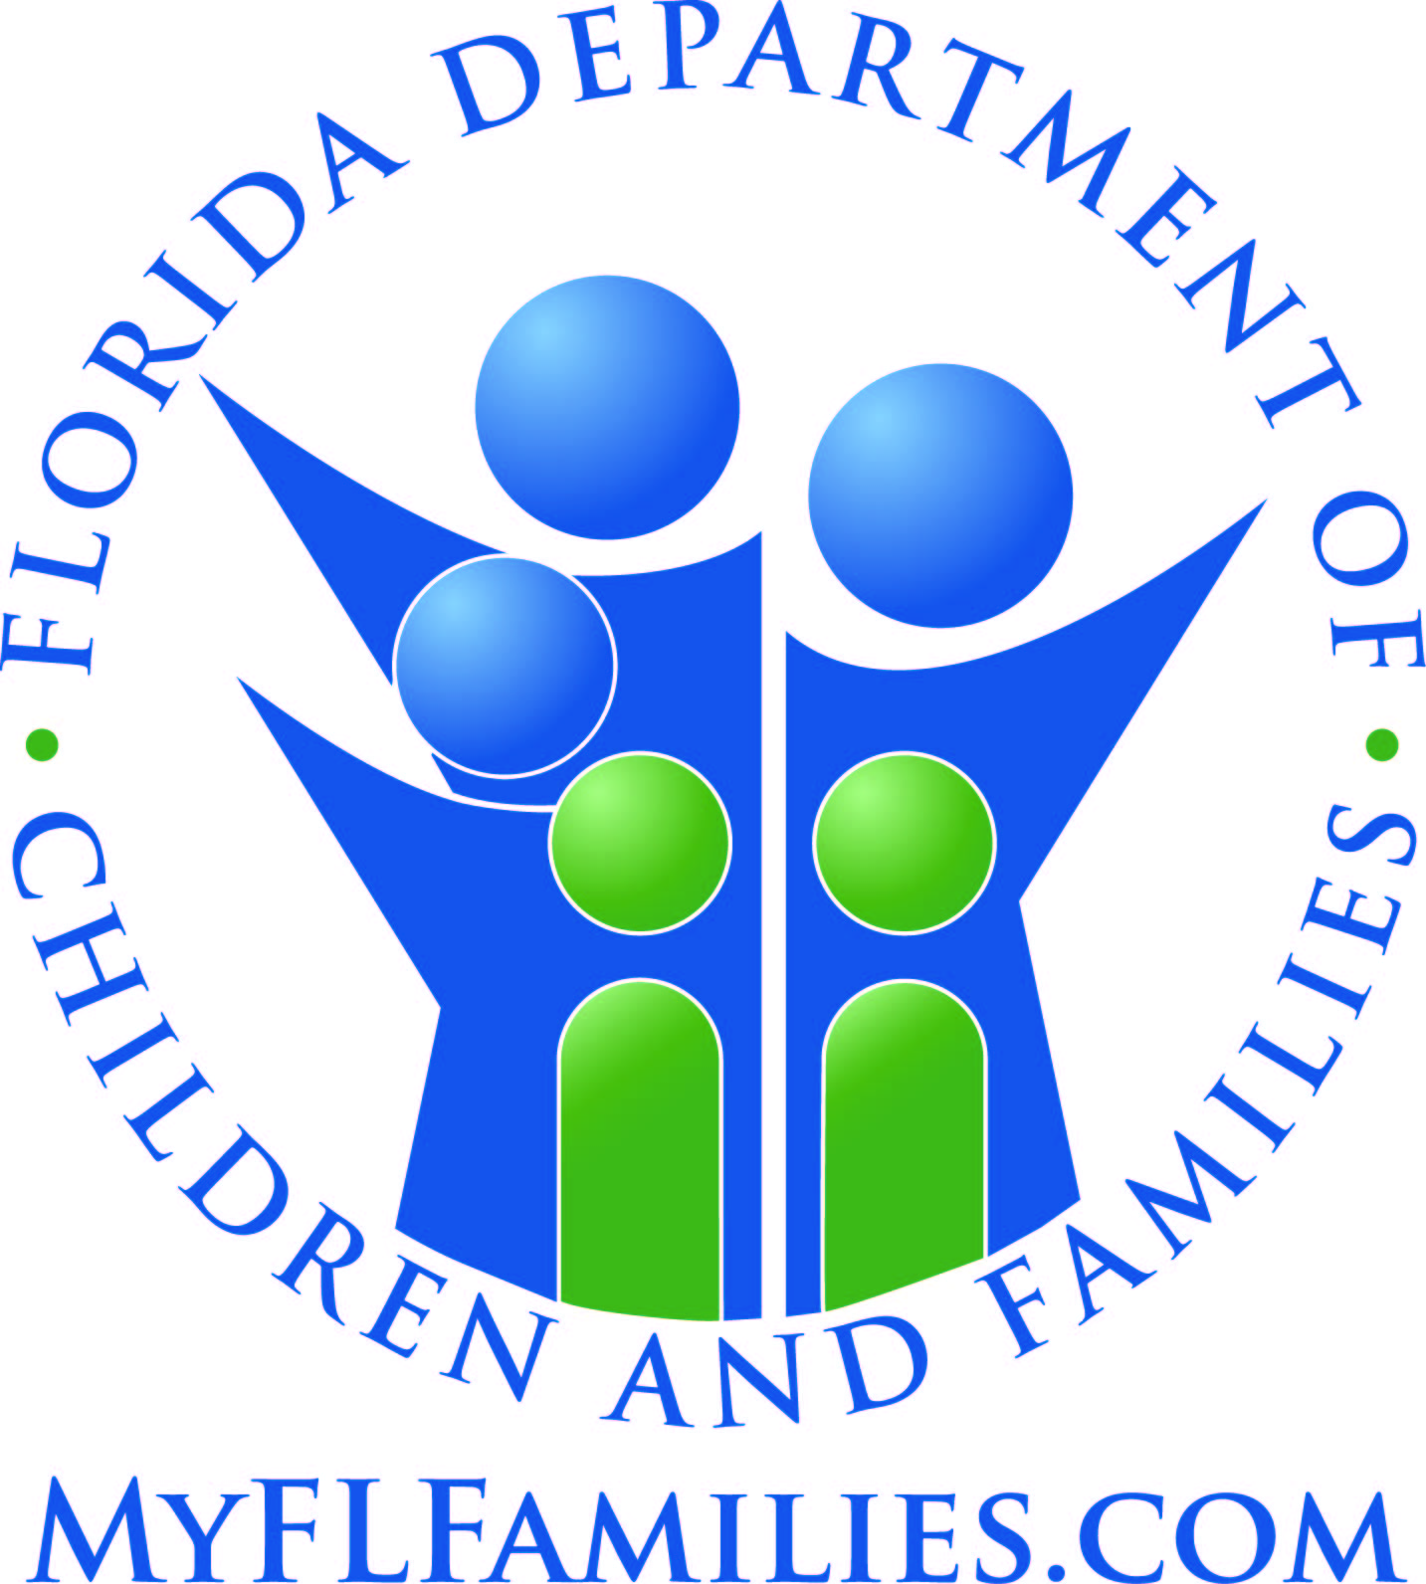
State of Florida
Department of Children and Families

Managing Entity Substance Abuse and Mental Health Block Grant Reporting Template Overview and Instructions

All tables in this template are required and are based specifically on the actual tables found in the Federal Substance Abuse and Mental Health Block Grant (SAMHBG) Report prepared and submitted annually by the Department of Children and Families. Table numbering is based upon the SAMHBG established structure and, for the purposes of this document, excludes those tables not requiring data input by the Managing Entity.

Hints and Reminders:

1.) There is a tab for each table. Tables 5a - 7 are expenditure tables and 9 - 34 are tables related to services (table 35 contains a mix of both). This template only encompasses those tables that are a mandatory reporting requirement and reflect their corresponding table number in annual Block Grant Reports. All cells that have been blacked out are not required. Detailed instructions for each page can be found further down in this tab.

2.) Pay close attention to reporting periods for each table.
 | a.) The State fiscal year begins July 1 and ends June 30.
 | b.) The Federal fiscal year begins October 1 and ends September 30.
 | c.) Tables with a State fiscal year period will generally reflect the most recent fiscal year.
 | d.) Tables with a Federal fiscal year will generally reflect a period two years in the past.

3.) Areas in gray are cells that auto-tabulate based on the data you enter into other cells. Please DO NOT try to alter any cells in the report as they are formatted for specific purposes.

4.) Some tables ask for the same information in different ways. In circumstances such as these, once you input the data in the first table that requires it, all cells in subsequent tables requiring the same data for the same reporting period will auto-populate.

5.) When submitting report data, please DO NOT leave a table blank or merely note that it has previously been submitted. Incomplete templates will be returned for revision.

If, at any time, you have questions or are in need of assistance in preparing this report, please contact one of the Substance Abuse and Mental Health Block Grant Coordinators.

(850) 717-4323 or (850) 717-4405

Substance Abuse Prevention and Treatment Block Grant Tables

Table 5a – Primary Prevention Expenditures Checklist
Expenditure Period: 10/01/2019 - 09/30/2020

The state’s primary prevention program must include, but is not limited to, the six primary prevention strategies defined below. Expenditures within each of the six strategies should be directly associated with the cost of completing the activity or task, for example, information dissemination should include the cost of developing pamphlets, the time of participating staff or the cost of public service announcements etc. If a state employs strategies not covered by these six categories, please report them under “Other” in Table 5a.

 | Information Dissemination – This strategy provides knowledge and increases awareness of the nature and extent of alcohol and other drug use, abuse, and addiction, as well as their effects on individuals, families, and communities. It also provides knowledge and increases awareness of available prevention and treatment programs and services. It is characterized by one-way communication from the source to the audience, with limited contact between the two.

 | Education – This strategy builds skills through structured learning processes. Critical life and social skills include decision making, peer resistance, coping with stress, problem solving, interpersonal communication, and systematic and judgmental abilities. There is more interaction between facilitators and participants than in the information strategy.

 | Alternatives – This strategy provides participation in activities that exclude alcohol and other drugs. The purpose is to meet the needs filled by alcohol and other drugs with healthy activities, and to discourage the use of alcohol and drugs through these activities.

 | Problem Identification and Referral – This strategy aims at identification of those who have indulged in illegal/age-inappropriate use of tobacco or alcohol and those individuals who have indulged in the first use of illicit drugs in order to assess if their behavior can be reversed through education. It should be noted however, that this strategy does not include any activity designed to determine if a person is in need of treatment.

 | Community-based Process – This strategy provides ongoing networking activities and technical assistance to community groups or agencies. It encompasses neighborhood-based, grassroots empowerment models using action planning and collaborative systems planning.

 | Environmental – This strategy establishes or changes written and unwritten community standards, codes, and attitudes, thereby influencing alcohol and other drug use by the general population.

 | Other – The six primary prevention strategies have been designed to encompass nearly all of the prevention activities. However, in the unusual case an activity does not fit one of the six strategies it may be classified in the “Other” category.

In addition, prevention strategies may be classified using the IOM Model of Universal, Selective and Indicated, which classifies preventive services by the population targeted. Definitions for these categories appear below:

 | Universal: Activities targeted to the general public or a whole population group that has not been identified on the basis of individual risk.

 | Selective: Activities targeted to individuals or a subgroup of the population whose risk of developing a disorder is significantly higher than average.

 | Indicated: Activities targeted to individuals in high-risk environments, identified as having minimal but detectable signs or symptoms foreshadowing disorder or having biological markers indicating predisposition for disorder but not yet meeting diagnostic levels.

States that are able to report on both the strategy type and the population served (universal, selective or indicated) should do so. If expenditure information is only available by strategy type, then the state should report expenditures in the row titled Unspecified (for example, Information Dissemination Unspecified).

States should report principal agency expenditures from the SABG and other sources for substance abuse primary prevention services as follows:

COLUMNS
1.) SA Block Grant - enter the amount of SABG funds expended on each activity during the 12 month expenditure period.

2.) Other Federal Funds - enter the amount of other Federal funds expended on each activity during the 12 month expenditure period.

3.) State Funds - enter the amount of State funds expended on each activity during the 12 month expenditure period.

4.) Local Funds - enter the amount of local funds expended on each activity during the 12 month expenditure period.

5.) Other - enter the amount of other funds expended on each activity during the 12 month expenditure period.
...

